summary
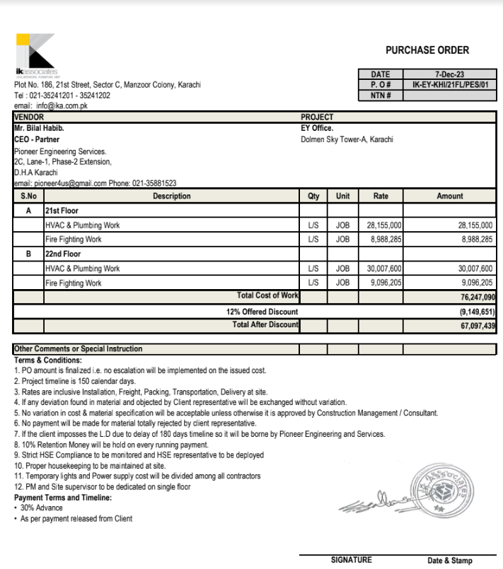

 |  |  |  | Ernst & Young

HVAC & Fire Fighting Work |  |  |  | 24-Nov-23

SUMMARY OF BILL OF QUANTITIES

S.No | Description | Material | Labour | Amount

1 | HVAC Work 21st Floor | 24,798,489 | 3,356,510 | 28,155,000
2 | Fire Fighting 21st Floor | 7,401,145 | 1,587,140 | 8,988,285

1 | HVAC Work 22nd Floor | 26,528,890 | 3,478,710 | 30,007,600
2 | Fire Fighting 22nd Floor | 7,502,745 | 1,593,460 | 9,096,205

 | Grand Total Amount | 66,231,269 | 10,015,820 | 76,247,090
 | Discount 12% |  |  | 9,149,651
 | Net Amount |  |  | 67,097,439
 | Add 4.5% |  |  | 3,019,385
 | Gross Amount |  |  | 70,116,824

 | 50% |  |  | 35,058,412
 | Total Received |  |  | 35,337,381
 | Receivable Amount |  |  | (278,969)

